Financial Report


Annual Financial Report

LEGEND:
Budget Year 1 (A) - Should agree to the approved budget OR approved budget modification.
**Budget Modification - 10% change of a single line item or a new line item is added to the budget.
Example 1: YL Center Budget 30K but actuals 35K , budget modification is needed.
Actual Year 1 (B) - Should reflect actuals NOT estimates.
Total Budget [C] and Total Expenditures [D]- Will change year over year as the budget is spent down and expenses are incurred.
Organization Name: Financial Report Example
Grant Number: GA0000123

 | (A) | (B) | [C] | [D]
 | Budget Year 1 3/15/2020-3/14/2021 | Actual Year 1 3/15/2020-3/14/2021 | Total Budget | Total Expenditures | Remaining Balance
I. Personnel
Salaries
1-Sister & Siblings on the Rise Coord - LA | $42,000 | $42,000 | $42,000 | $42,000 | $0
2-Sister & Siblings on the Rise Coord - SF | $14,000 | $14,000 | $14,000 | $14,000 | $0
3-Life Coaches - SF & LA | $26,000 | $26,000 | $26,000 | $26,000 | $0
4-Statewide Youth Organizer Coordinator | $48,400 | $48,400 | $48,400 | $48,400 | $0
5-Participatory Defense Coordinator | $13,000 | $13,000 | $13,000 | $13,000 | $0
6 |  |  | $0 | $0 | $0
7 |  |  | $0 | $0 | $0
8 |  |  | $0 | $0 | $0
Payroll Taxes and Benefits | $37,284 | $37,284 | $37,284 | $37,284 | $0
Consultant Fees: 1 - Stipends | $60,000 | $60,000 | $60,000 | $60,000 | $0
2- YL Center | $30,000 | $30,000 | $30,000 | $30,000 | $0
3 - Healers for Intergen'l Retreat | $2,500 | $2,500 | $2,500 | $2,500 | $0
4 - Peer Outreach Worker | $4,400 | $4,400 | $4,400 | $4,400 | $0
5 - HR Trainers | $7,500 | $7,500 | $7,500 | $7,500 | $0
Total Personnel | $285,084 | $285,084 | $285,084 | $285,084 | $0
II. Other Expenses
Office Supplies | $0 | $0
Postage | $0 | $0 | $0 | $0 | $0
Printing/Duplicating | $0 | $0 | $0 | $0 | $0
Information/Materials | $0 | $0 | $0 | $0 | $0
Equipment | $0 | $0 | $0 | $0 | $0
Rent / Utilities | $0 | $0 | $0 | $0 | $0
Travel | $2,700 | $175 | $2,700 | $175 | $2,525
Miscellaneous (List)
1 - Food for SSoR Program | $3,600 | $725 | $3,600 | $725 | $2,875
2 - Food for Intergen'l Healing Retreat | $1,000 | $631 | $1,000 | $631 | $369
3 - Healing supplies for Intergen'l Retreat | $2,500 | $2,500 | $2,500 | $2,500 | $0
4 |  |  | $0 | $0 | $0
5 |  |  | $0 | $0 | $0
6 |  |  | $0 | $0 | $0
7 |  |  | $0 | $0 | $0
8 |  |  | $0 | $0 | $0
Total Other Expenses | $9,800 | $4,031 | $9,800 | $4,031 | $5,769
Indirect (up to 20% of direct costs)
Total Grant Expenses | $294,884 | $289,115 | $294,884 | $289,115 | $5,769

Expenditure Listing Example
Organization Name: Financial Report Example
Grant Number: GA0000123

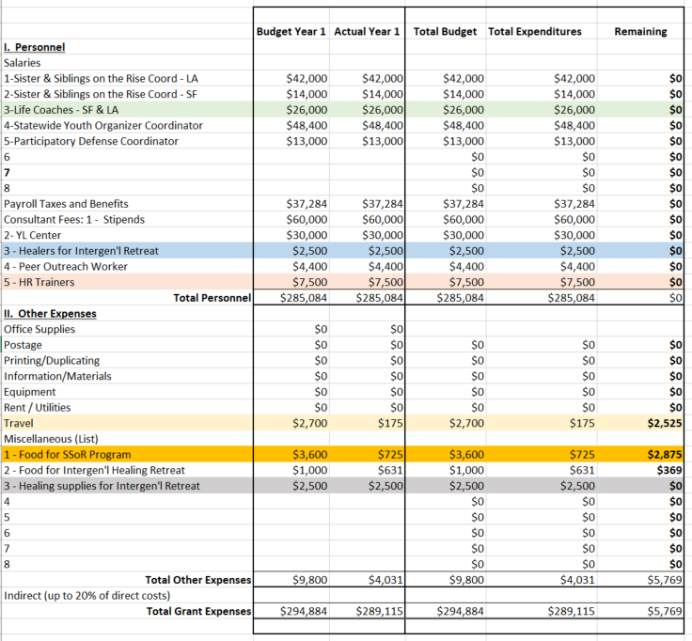
Expenditure Listing - 3/15/2020-3/14/2021
Budget Category | Budget Line Item(sub category) | Date | Vendor/Payee | EYC Amount | Expense Description | Corresponding FR Line Item (AGREE)
Personnel | Sister & Siblings on the Rise Coord - LA | 3/15/20-3/14/21 | Bashful | $42,000.00 | LA coordinators for SOR Year 1 | $42,000.00
Personnel | Sister & Siblings on the Rise Coord - SF | 3/15/20-3/14/21 | Happy | $14,000.00 | SF coordinator for SOR Year 1 | $14,000.00
Personnel | Life Coaches - SF & LA | 3/15/20-3/14/21 | Show White | $13,000.00 | Life Coach LA Year 1
Personnel | Life Coaches - SF & LA | 3/15/20-3/14/21 | Queen | $13,000.00 | Life Coach SF Year 1 | $26,000.00
Personnel | Statewide Youth Organizer Coordinator | 3/15/20-3/14/21 | Magic Mirror | $48,400.00 | SW Youth Organizer Coordinator Year 1 | $48,400.00
Personnel | Participatory Defense Coordinator | 3/15/20-3/14/21 | Dopey | $13,000.00 | PD Coordinators Year 1 | $13,000.00
Payroll Taxes & Ben | Payroll Taxes & Benefits | 3/15/20-3/14/21 | N/A | $37,284.00 | Payroll taxes paid during Year 1 | $37,284.00
Consultant Fees | Stipends @ $20/hour | 3/15/20-3/14/21 | Multiple | $60,000.00 | SOR Organizers gross wages Year 1 | $60,000.00
Consultant Fees | YL Center | 8/1/2020 | YL Center | $30,000.00 | Payment for consulting services Year 1 | $30,000.00
Consultant Fees | Healers for Intergen'l Retreat | 11/11/2020 | Grumpy | $254.60 | Healing services contractor expense Year 1
Consultant Fees | Healers for Intergen'l Retreat | 12/10/2020 | Grumpy | $258.40 | Healing services contractor expense Year 1
Consultant Fees | Healers for Intergen'l Retreat | 12/7/2020 | Sneezy | $1,647.00 | Healing services contractor expense Year 1
Consultant Fees | Healers for Intergen'l Retreat | 2/23/2021 | Cinderella | $150.00 | Healing services contractor expense Year 1
Consultant Fees | Healers for Intergen'l Retreat | 3/11/2021 | Cinderella | $190.00 | Healing services contractor expense Year 1 | $2,500.00
Consultant Fees | Peer Outreach Worker | 3/15/20-3/14/21 | Daenerys Targaryen | $4,400.00 | Peer Outreach Worker expense Year 1 | $4,400.00
Consultant Fees | HR Trainers | 2/18/2021 | Jon Snow | $2,350.00 | HR trainer expense Year 1
Consultant Fees | HR Trainers | 12/9/2020 | Ariel Mermaid | $1,634.00 | HR trainer expense Year 1
Consultant Fees | HR Trainers | 1/1/2021 | Ariel Mermaid | $1,634.00 | HR trainer expense Year 1
Consultant Fees | HR Trainers | 1/13/2021 | Ariel Mermaid | $1,634.00 | HR trainer expense Year 1
Consultant Fees | HR Trainers | 2/1/2021 | Ariel Mermaid | $248.00 | HR trainer expense Year 1 | $7,500.00
Other Expenses | Travel | 11/16/2020 | Lyft | $36.86 | Travel expense Year 1
Other Expenses | Travel | 11/24/2020 | Lyft | $5.00 | Travel expense Year 1
Other Expenses | Travel | 12/2/2020 | Lyft | $27.27 | Travel expense Year 1
Other Expenses | Travel | 2/3/2021 | Lyft | $36.67 | Travel expense Year 1
Other Expenses | Travel | 2/21/2021 | Lyft | $16.99 | Travel expense Year 1
Other Expenses | Travel | 2/23/2021 | Lyft | $10.99 | Travel expense Year 1
Other Expenses | Travel | 3/3/2021 | Lyft | $40.99 | Travel expense Year 1 | $174.77
Other Expenses | Food for SSoR program | 11/26/2020 | GrubHub | $225.00 | Food expense Year 1 - LA
Other Expenses | Food for SSoR program | 3/12/2021 | Pathway Consultants | $500.00 | Food expense Year 1 - SF | $725.00
Other Expenses | Food for Intergen'l Healing Retreat | 3/16/2020 | Safeway | $631.00 | Food expense for SOR retreat Year 1 | $631.00
Other Expenses | Healing supplies for Intergen'l Retreat | 11/5/2020 | Amazon | $469.18 | Supply expense for SOR Year 1 - Chromebooks - SF
Other Expenses | Healing supplies for Intergen'l Retreat | 11/6/2020 | Amazon | $2,030.82 | Supply expense for SOR Year 1 - Chromebooks - LA | $2,500.00

 |  |  |  | $289,114.77

